Component layout
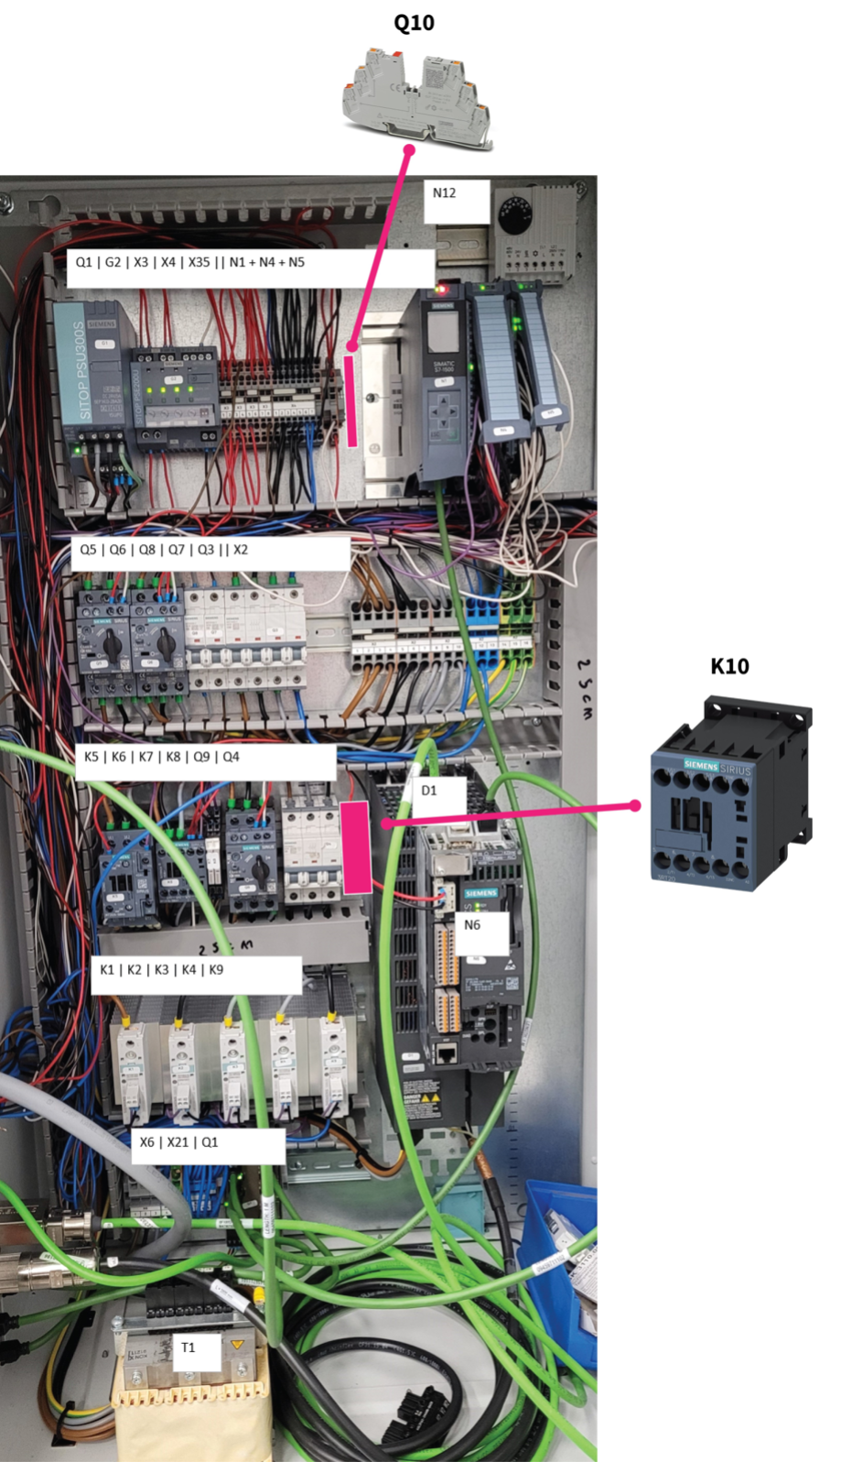
Layout for E50 cabinet with S7-1500 and drive in main cabinet
 | Maarten L 6-4-2023 V1.0 | Bridge | Bridge | Mark
301-2006 (900mm) | Kabelgoot 60 x 60 Verticaal links
758-9282 (160mm) | Kabelgoot 40 x 60 Verticaal rechts
758-9282 (450mm) | Kabelgoot 40 x 60 Horizontaal bovenste
758-9282 (450mm) | Kabelgoot 40 x 60 Horizontaal 2de van boven
758-9282 (450mm) | Kabelgoot 40 x 60 Horizontaal 3de van boven
758-9282 (250mm) | Kabelgoot 40 x 60 Horizontaal 4de van boven
758-9282 (250mm) | Kabelgoot 40 x 60 Horizontaal 5de van boven

742-4138 Din rail 430mm | Top din rail order from left to right
249-116 | Wago dinrail eindstop
6EP1433-2BA20 | SITOP PSU300S 24 V/5 A stabilized power supply |  |  | G1
6EP1961-2BA31 | SITOP PSE200U 3A 4-channel input: DC 24 V/12A |  |  | G2
2002-1401 | Wago term. grijs | 1 etage, 4 draads klem | 2.5mm2 | 2002-402 (2P) |  | X3.1
2002-1401 | Wago term. grijs | 1 etage, 4 draads klem | 2.5mm2 |  |  | X3.2
2002-1492 | eindkap terminal 2002-14XX (1 laags)
2002-1401 | Wago term. grijs | 1 etage, 4 draads klem | 2.5mm2 | 2002-402 (2P) |  | X3.3
2002-1401 | Wago term. grijs | 1 etage, 4 draads klem | 2.5mm2 |  |  | X3.4
2002-1492 | eindkap terminal 2002-14XX (1 laags)
2002-1401 | Wago term. grijs | 1 etage, 4 draads klem | 2.5mm2 | 2002-402 (2P) |  | X3.5
2002-1401 | Wago term. grijs | 1 etage, 4 draads klem | 2.5mm2 |  |  | X3.6
2002-1492 | eindkap terminal 2002-14XX (1 laags)
2002-1401 | Wago term. grijs | 1 etage, 4 draads klem | 2.5mm2 | 2002-402 (2P) |  | X3.7
2002-1401 | Wago term. grijs | 1 etage, 4 draads klem | 2.5mm2 |  |  | X3.8
2002-1492 | eindkap terminal 2002-14XX (1 laags)
2002-1401 | Wago term. grijs | 1 etage, 4 draads klem | 2.5mm2 | 2002-404 (4P) |  | X4.1
2002-1401 | Wago term. grijs | 1 etage, 4 draads klem | 2.5mm2 |  |  | X4.2
2002-1401 | Wago term. grijs | 1 etage, 4 draads klem | 2.5mm2 |  |  | X4.3
2002-1401 | Wago term. grijs | 1 etage, 4 draads klem | 2.5mm2 |  | 2002-404 (4P) | X4.4
2002-1401 | Wago term. grijs | 1 etage, 4 draads klem | 2.5mm2 |  |  | X4.5
2002-1401 | Wago term. grijs | 1 etage, 4 draads klem | 2.5mm2 |  |  | X4.6
2002-1401 | Wago term. grijs | 1 etage, 4 draads klem | 2.5mm2 |  |  | X4.7
2002-1492 | eindkap terminal 2002-14XX (1 laags)
1135752 | Elektroni beveiligingsschakelaar - (ralph) |  |  | Q10
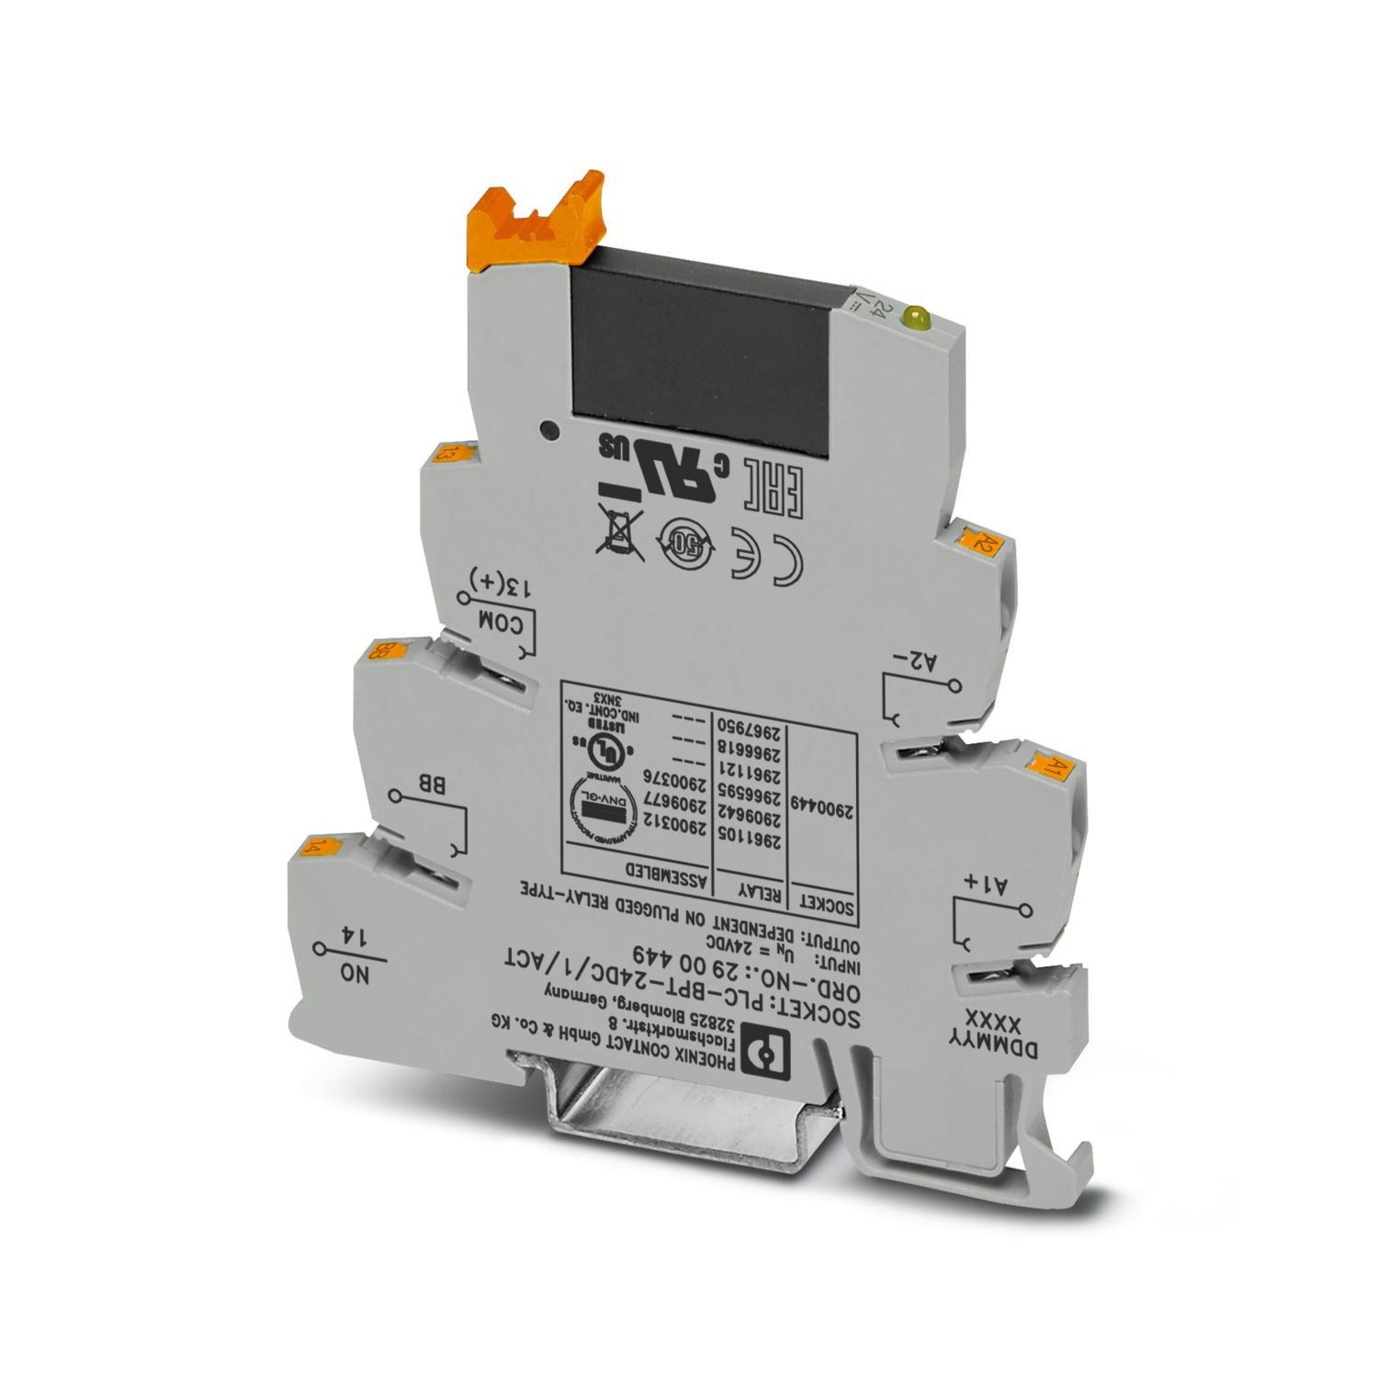
249-116 | Wago dinrail eindstop

6ES7590-1AB60-0AA0 | Special din rail for S7-1500 PLC 160mm length | Bridge | Bridge | Mark
249-116 | Wago dinrail eindstop
6ES7511-1AK02-0AB0 | SIMATIC S7-1500, CPU 1511-1PN, 150KB Program, 1MB Data |  |  | N1
6ES7522-1BH01-0AB0 | SIMATIC S7-1500, DQ 16x24V DC/0.5A HF |  |  | N4
6ES7521-1BH10-0AA0 | SIMATIC S7-1500, DI 16x24VDC BA |  |  | N5
249-116 | Wago dinrail eindstop

742-4138 Din rail 430mm | 2nd din rail order from left to right
249-116 | Wago dinrail eindstop
3RV2021-4EA10 | zekering 27-32A voor heaters |  |  | Q5
3RV2021-1GA15 | Zekering voor transport pomp |  |  | Q6 | SET TO 5A!
5SY4103-7 | zekering 3A voor waterpomp & fans |  |  | Q8
5SY4102-7 | zekering 2A trilmotor |  |  | Q7
5SY4106-7 | zekering voor de voeding 24V |  |  | Q4
5SY7463-7 | hoofd zekering hele kast |  |  | Q3
249-116 | Wago dinrail eindstop
2010-1201 | Wago term. grijs | 1 etage, 2 draads klem | 10mm2 | 2010-403 (3P) |  | X2.1
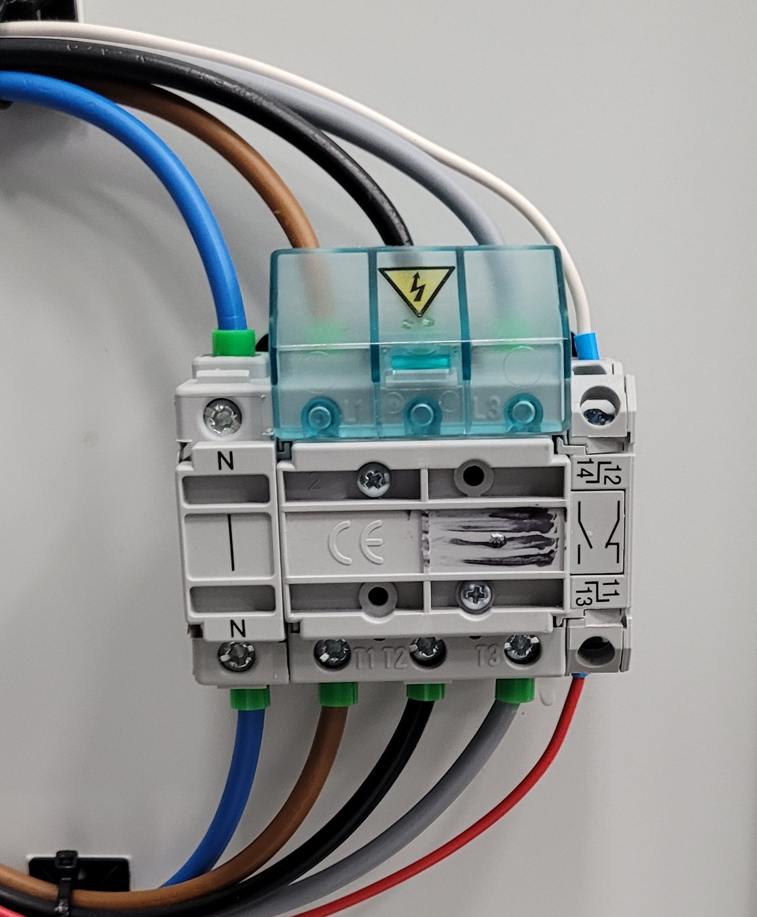
Q2.1
Q2
2010-1201 | Wago term. grijs | 1 etage, 2 draads klem | 10mm2 |  |  | X2.2
2010-1201 | Wago term. grijs | 1 etage, 2 draads klem | 10mm2 |  |  | X2.3
2010-1292 | Eindkap terminal 2010-12XX (1 laags)
2010-1201 | Wago term. grijs | 1 etage, 2 draads klem | 10mm2 | 2010-403 (3P) |  | X2.4
2010-1201 | Wago term. grijs | 1 etage, 2 draads klem | 10mm2 |  |  | X2.5
2010-1201 | Wago term. grijs | 1 etage, 2 draads klem | 10mm2 |  |  | X2.6
2010-1292 | Eindkap terminal 2010-12XX (1 laags)
2010-1201 | Wago term. grijs | 1 etage, 2 draads klem | 10mm2 | 2010-402 (2P) |  | X2.7
2010-1201 | Wago term. grijs | 1 etage, 2 draads klem | 10mm2 |  |  | X2.8
2010-1292 | Eindkap terminal 2010-12XX (1 laags)
2010-1204 | Wago term. grijs | 1 etage, 2 draads klem | 10mm2 | 2010-403 (3P) |  | X2.9
2010-1204 | Wago term. grijs | 1 etage, 2 draads klem | 10mm2 |  |  | X2.10
2010-1204 | Wago term. grijs | 1 etage, 2 draads klem | 10mm2 |  |  | X2.11
2010-1292 | Eindkap terminal 2010-12XX (1 laags)
2010-1307 | Wago term. aarde | 1 etage, 3 draads klem | 10mm2 |  |  | X2.12
2010-1307 | Wago term. aarde | 1 etage, 3 draads klem | 10mm2 |  |  | X2.13
2010-1307 | Wago term. aarde | 1 etage, 3 draads klem | 10mm2 |  |  | X2.14
2010-1392 | Eindkap terminal 2010-13XX (1 laags)
249-116 | Wago dinrail eindstop

742-4138 Din rail 250mm | 3rd din rail order from left to right
249-116 | Wago dinrail eindstop
3RT2025-1BB40 | contactor voor alle heaters 7,5Kw |  |  | K5
3RT2016-1BB41 | Power contactor 4Kw transport pomp |  |  | K6
111-3042 | Single phase relais vibra motor |  |  | K7
111-3042 | Single phase relais water pump |  |  | K8
3RV2021-4EA10 | S0 servo motor protector, 27-32A |  |  | Q9
5SY4306-7 | zekering 3A voor waterpomp |  |  | Q4
2900376 | Solid State Relais Ralph |  |  | K10
249-116 | Wago dinrail eindstop

 | ,k
742-4138 Din rail 250mm | 4rd din rail order from left to right
249-116 | Wago dinrail eindstop
3RF2330-1AA02 | Contactor 1 fase 3RF2 AC 51 / 30 A Zone 1 |  |  | K1
3RF2330-1AA02 | Contactor 1 fase 3RF2 AC 51 / 30 A Zone 2 |  |  | K2
3RF2330-1AA02 | Contactor 1 fase 3RF2 AC 51 / 30 A Zone 3 |  |  | K3
3RF2330-1AA02 | Contactor 1 fase 3RF2 AC 51 / 30 A Zone 4 |  |  | K4
3RF2330-1AA02 | Contactor 1 fase 3RF2 AC 51 / 30 A Zone 5 (nozzle) |  |  | K9
249-116 | Wago dinrail eindstop

742-4138 Din rail 250mm | 5th din rail order from left to right
249-116 | Wago dinrail eindstop
2010-1201 | Wago term. grijs | 1 etage, 2 draads klem | 10mm2 |  |  | X6.1
2010-1201 | Wago term. grijs | 1 etage, 2 draads klem | 10mm2 |  |  | X6.2
2010-1201 | Wago term. grijs | 1 etage, 2 draads klem | 10mm2 |  |  | X6.3
2010-1292 | Eindkap terminal 2010-12XX (1 laags)
2010-1204 | Wago term. blauw | 1 etage, 2 draads klem | 10mm2 |  |  | X6.4
2010-1292 | Eindkap terminal 2010-12XX (1 laags)
2010-1307 | Wago term. aarde | 1 etage, 3 draads klem | 10mm2 |  |  | X6.5
2010-1392 | Eindkap terminal 2010-13XX (1 laags)
2002-1204 | Wago term. blauw | 1 etage, 2 draads klem | 2.5mm2 | 2010-403 (3P) |  | X21.1
2002-1204 | Wago term. blauw | 1 etage, 2 draads klem | 2.5mm2 |  |  | X21.2
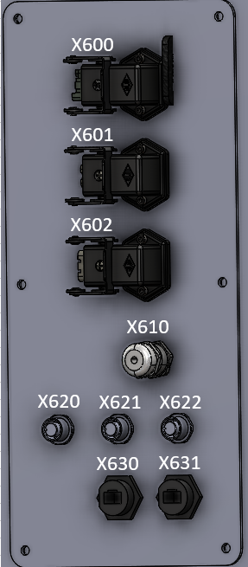
2002-1204 | Wago term. blauw | 1 etage, 2 draads klem | 2.5mm2 |  | 2010-403 (3P) | X21.3
2002-1204 | Wago term. blauw | 1 etage, 2 draads klem | 2.5mm2 |  |  | X21.4
2002-1204 | Wago term. blauw | 1 etage, 2 draads klem | 2.5mm2 |  |  | X21.5
2002-1292 | Eindkap terminal 2002-12XX (1 laags)
249-116 | Wago dinrail eindstop
111600 | TERZ Ethernet Switch 8p NITE-RF8-1100 |  |  | Q1
249-116 | Wago dinrail eindstop

Additional components mounted to the electrical plate
6SL3203-0CE23-8AA0 | Line reactor for S120 drives 50 series |  |  | T1
6SL3210-1PE23-8AL0 | S120 drive for 50 series |  |  | D1
6SL3040-1LA01-0AA0 | Control unit S120 drives |  |  | N6

Side panel 1 | P07-76925
CQF12 + CK 03 IAN | female 12 pin connector + haakse behuizing |  |  | X600
CQF03 + CK 03 IAN | female 3 pin connector + haakse behuizing |  |  | X601
CQF05 + CK 03 IAN | female 5 pin connector + haakse behuizing |  |  | X602
52015720 | PG11 wartel |  |  | X610
E12408 | m12 panel mount stekker |  |  | X620
E12408 | m12 panel mount stekker |  |  | X621
E12408 | m12 panel mount stekker |  |  | X622
798-0704 | ethernet panel mount |  |  | X630
798-0704 | ethernet panel mount |  |  | X631

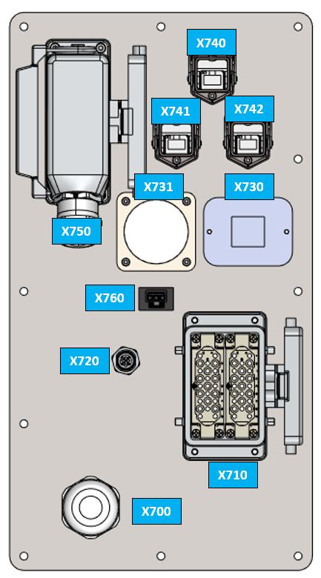
Side panel 2 | P07-18499
52115750 | PG21 wartel for incoming power cable |  |  | X700
2x IE100050 | 2x 25 pin female connector for extruder heaters |  |  | X710
1437779 | Profibus panel mount |  |  | X720
6SL3066-2DA00-0AA0 | Coupler for servo encoder cable |  |  | X730
6FX2003-7BX00 | Servo power cable |  |  | X731
RJ45 panel mount #1 | Ethernet side panel |  |  | X740
RJ45 panel mount #2 | Ethernet side panel |  |  | X741
RJ45 panel mount #3 | Ethernet side panel |  |  | X742
IE100189 + IE100195 | 16 pin female on panel + 16 pin male in contra stekker |  |  | X750
890-703 | Snap-in socket; 3-pole; Cod. A; 1,50 mm²; black (Female) |  |  | X760

Cabinet externals | P07-78943
285-507 | 24V DC cooling fan #1 (top side of the cabinet) |  |  | F1
SK 3237.200 | Ventilation rooster |  |  | n/a
285-507 | 24V DC cooling fan #2 (bottom front of the door) |  |  | F1
SK 3237.200 | Ventilation rooster |  |  | n/a
3LD2504-0TK51 | Main power switch 63A |  |  | Q2
3LD9200-5B | Aux switch, contact |  |  | Q2.1

Cabinet servo and signal cables
6FX8002-5CN06-1AB0 | servo power cable from drive to sidepanel X731
6FX8002-2DC00-1AB0 | Servo encoder cable from drive to sidepanel X730

